ESMO 2023 Key Highlights
Key Highlights
ESMO 2023 (Madrid, October 20-24, 2023)

Data Scope:
This is an analyst curated selection of global industry sponsored trials with abstracts presented at ESMO 2023.
The abstracts were selected by Trialtrove analysts based on criteria such as sponsor ranking and the current importance of primary drug or primary drug mechanism-of-action in oncology clinical development.
Disease Breakdown:
Single cancer trials with most trial counts or traditionally prevalent cancers were listed in separate sections.
The remainder of the trials, both for single or multiple cancers, were listed in the Solid Tumors or Hematological Cancers sections.
Viewing ESMO 2023's Trial Readouts: 1. Click on hyperlinked ID under Trialtrove Record column via excel. 2. Click on ‘Results’ tab after website navigation. 3. Review relevant event summary (highlighted in green).
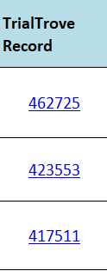
Data Coverage Overview
How to View Disclosure via ESMO
Bladder/Renal
Breast
Cervical
Colorectal
Endometrial
ESophageal/Gastric
Head/Neck

Liver
Non Small Cell Lung
Melanoma
Neuroendocrine
Pancreas
Prostate

Soft Tissue Sarcoma
Hematological Tumor
Solid Tumor
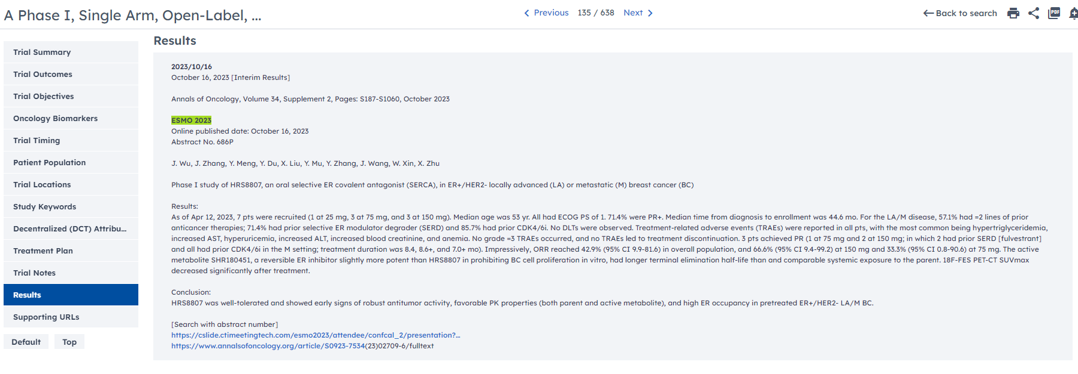

Bladder/Renal
Legend
Duration- If both actual start and primary completion dates are reported in the public domain, duration is represnted as In comparison, if either start date or primary completion or primary endpoints reported date is anticipated, duration is represented as
Primary Drug Attributes IO=immuno-oncology, BiTE=Bispecific T-cell Engager, FP=fusion protein, ADC=antibody-drug conjugate, BiAb=bispecific antibody, TriTE=Trispecific T-cell Engager, CAR=chimeric antigen receptor
IO Combinations- (C=IO/Cytotoxic, H=IO/Hormonal, IO=IO/IO, O=IO/Other, T=IO/Targeted and RT=IO/Radiotherapy)
Trial Attributes- (A=Adaptive, AB=Adaptive-Basket, AU=Adaptive-Umbrella, FIH=First in Human, R=Regulatory and IIT=Investigator Initiated Trial)
NCT number/ Trial Name | Primary Drug(s) | Sponsor | Trial Phase | Trial Status | Trial Duration (months) |  | Disease | Patient Segment | Primary Endpoint | Trial Region | Countries | Countries Count | Trial Outcomes |  | Primary Drug Attributes |  | IO Combinations |  | Trial Attributes |  |  |  | TrialTrove Record
 | tislelizumab | (Other Hospital/Academic/Medical Center) BeiGene | II | Open | |||||||||| | 30 | Oncology: Bladder | Neoadjuvant; Stage III; Stage IV | Complete response | Asia | China | 1 |  |  | IO |  | C |  |  |  |  |  | 451692
NCT05714202 SunRISe-3 | gemcitabine-releasing intravesical system, Taris Biomedical cetrelimab | Johnson & Johnson/Janssen-Cilag | III | Open | |||||||||||||||||||||||||||| | 85.53 | Oncology: Bladder | First line; Stage 0; Stage I | Event-free survival Recurrence | Americas; Asia; Australia/Oceania; Eastern Europe; Europe; North America; South America; Western Europe | Argentina; Australia; Belgium; Brazil; Canada; China; Czech Republic; France; Germany; India; Italy; Japan; Mexico; Netherlands; Poland; Portugal; South Korea; Spain; Taiwan, China; United Kingdom; United States | 21 |  |  | IO |  | C |  |  |  |  |  | 443820
NCT05316155 | erdafitinib (intravesical) | Johnson & Johnson/Janssen R&D {Johnson & Johnson/J&JPRD {Johnson & Johnson/Janssen-Cilag/Janssen Research Foundation}} | I | Open | |||||||||||| | 36 | Oncology: Bladder | FGFR; Line of therapy N/A; Stage 0; Stage I; Stage II; Stage III | Adverse Events Common Terminology Criteria for Adverse Events Dose-limiting toxicities Safety and Tolerability | Americas; Asia; Europe; North America; Western Europe | France; Germany; Netherlands; South Korea; Spain; United States | 6 |  |  |  |  |  |  |  | FIH |  |  | 429185
NCT04172675 THOR-2 | erdafitinib | Johnson & Johnson/Janssen R&D {Johnson & Johnson/J&JPRD {Johnson & Johnson/Janssen-Cilag/Janssen Research Foundation}} | II | Closed | |||||||||||||||| | 49.03 | Oncology: Bladder | FGFR; Maintenance/Consolidation; Second line; Stage 0 | Disease-free survival | Americas; Asia; Australia/Oceania; Eastern Europe; Europe; North America; South America; Western Europe | Argentina; Australia; Belgium; Brazil; China; Czech Republic; France; Germany; India; Italy; Japan; Poland; South Korea; Spain; Taiwan, China; United Kingdom; United States | 17 |  |  |  |  |  |  |  |  |  |  | 361806
ABACUS NCT02662309 | atezolizumab | (Other Hospital/Academic/Medical Center) Roche {F. Hoffmann-La Roche} | II | Completed | ||||||||| | 29 | Oncology: Bladder | Neoadjuvant; PD-L1 Positive; Stage II; Stage III | Complete response | Europe; Western Europe | France; Germany; Netherlands; Spain; United Kingdom | 5 | Completed, Positive outcome/primary endpoint(s) met | ↑ | IO |  |  |  |  |  |  | IIT | 271933
NCT05645692 | tiragolumab tobemstomig | Roche | II | Open | |||||||||||||| | 44.57 | Oncology: Bladder; Oncology: Renal | First line; PD-L1 Positive; Stage III; Stage IV | Complete response Overall response rate Partial response Response evaluation criteria in solid tumors | Americas; Asia; Australia/Oceania; Eastern Europe; Europe; North America; South America; Western Europe | Australia; Brazil; China; Denmark; France; Germany; Greece; Italy; Mexico; Poland; South Korea; Spain; Turkey; United Kingdom; United States | 15 |  |  | IO | BiAb |  | IO |  |  |  |  | 450028
DISCUS | avelumab | Merck & Co. (Other Hospital/Academic/Medical Center) | II | Open |  | 0 | Oncology: Bladder; Oncology: Renal | Maintenance/Consolidation; Stage III; Stage IV | EORTC Quality of Life Questionnaire | Europe; Western Europe | Spain; United Kingdom | 2 |  |  | IO |  | C |  |  |  |  |  | 427018
AVENANCE NCT04822350 | avelumab | Merck KGaA Pfizer | IV | Closed | ||||||||||| | 35.57 | Oncology: Bladder; Oncology: Renal | Maintenance/Consolidation; Second line; Stage III; Stage IV | Overall survival | Europe; Western Europe | France | 1 |  |  | IO |  |  |  |  |  |  |  | 400444
NCT04724018 | enfortumab vedotin sacituzumab govitecan | Dana-Farber/Harvard Cancer Center at Dana Farber Cancer Institute Gilead Sciences/Immunomedics | I | Completed | ||||||| | 23.37 | Oncology: Bladder; Oncology: Renal | PD-1 Refractory; PD-L1 Refractory; Second line; Stage III; Stage IV | Common Terminology Criteria for Adverse Events Dose-limiting toxicities Maximum tolerated dose Treatment Emergent Adverse Events | Americas; North America | United States | 1 | Completed, Positive outcome/primary endpoint(s) met | ↑ |  | ADC | C |  |  |  |  |  | 395154
JANSSEN BLC2001 - (SUNRISE 1) NCT04640623 | gemcitabine-releasing intravesical system, Taris Biomedical cetrelimab | Johnson & Johnson/Janssen R&D {Johnson & Johnson/J&JPRD {Johnson & Johnson/Janssen-Cilag/Janssen Research Foundation}} | II | Open | ||||||||||||||||||||||| | 71.07 | Oncology: Bladder; Oncology: Renal | Maintenance/Consolidation; PD-1 Naive; PD-L1 Naive; Stage 0; Stage I | Complete response Disease Progression Disease-free survival Recurrence | Americas; Asia; Australia/Oceania; Eastern Europe; Europe; North America; Western Europe | Australia; Belgium; Canada; France; Germany; Greece; Italy; Japan; Netherlands; Portugal; Russia; South Korea; Spain; Turkey; Ukraine; United Kingdom; United States | 17 |  |  | IO |  | C |  |  |  |  |  | 390142
ABACUS-2 NCT04624399 | atezolizumab | (Other Hospital/Academic/Medical Center) Roche {F. Hoffmann-La Roche} | II | Open | |||||||||||| | 38.6 | Oncology: Bladder; Oncology: Renal | Neoadjuvant; Stage I; Stage II; Stage III; Stage IV | Circulating Tumor Cells Complete response | Europe; Western Europe | France; Spain; United Kingdom | 3 |  |  | IO |  |  |  |  |  |  |  | 389037
INTR@PID UROTHELIAL 152 NCT04349280 | bintrafusp alfa | GlaxoSmithKline Merck KGaA | I | Terminated | ||| | 11.53 | Oncology: Bladder; Oncology: Renal | Second line; Stage III; Stage IV | Overall response rate Response evaluation criteria in solid tumors | Americas; Europe; North America; Western Europe | Canada; France; Netherlands; Spain; United Kingdom; United States | 6 | Terminated, Business decision - Pipeline reprioritization |  | IO | FP |  |  |  |  |  |  | 372105
KEYNOTE-A39 NCT04223856 | enfortumab vedotin pembrolizumab | Seagen {Seattle Genetics} (Other Hospital/Academic/Medical Center) Merck & Co./Merck Sharp & Dohme (MSD) Astellas Pharma | III | Completed | ||||||||||||| | 41.73 | Oncology: Bladder; Oncology: Renal | First line; PD-1 Naive; PD-L1 Naive; Stage III; Stage IV | Clinical benefit rate Disease Progression Duration of overall response Overall response rate - duration Overall response rate Overall survival Progression-free survival Quality of Life Response evaluation criteria in solid tumors Safety and Tolerability | Americas; Asia; Australia/Oceania; Eastern Europe; Europe; North America; South America; Western Asia/Middle East; Western Europe | Argentina; Australia; Belgium; Canada; China; Czech Republic; Denmark; France; Germany; Hungary; Israel; Italy; Japan; Netherlands; Poland; Russia; Serbia; Singapore; South Korea; Spain; Switzerland; Taiwan, China; Thailand; Turkey; Ukraine; United Kingdom; United States | 27 | Completed, Positive outcome/primary endpoint(s) met | ↑ | IO | ADC | C | IO |  |  | R |  | 362538
...

